Result
Observed and Forecast gauge for Bagmati-Adhwara Basin at various station Date:- |  |  |  |  |  |  |  | 31.10.2019
Sl | Name of Station | D L | Highest Flood Level (HFL)/Year | Observed | Forecast |  |  | Remarks |  |  |  |  |  | 1) | Date
 |  |  |  | 31.10.2019 | 1day | 2day | 3day |  | Diff. b/w forecast vs obs. Day1 | Day2 | Day3 | Diff. b/w obs vs DL. | Forecast vs DL | 2) | Water Level
1 | Dheng-bridge* | 70.10 | 73.00/2019 | 69.08 | 69.08 | 69.08 | 69.08 |  | 0.00 | 0.00 | 0.00 | -1.02 | -1.02 | 3) | Result
2 | Sonakhan | 68.80 | 72.05/2019 | 67.58 | 67.58 | 67.58 | 67.58 |  | 0.00 | 0.00 | 0.00 | -1.22 | -1.22
3 | Dubbadhar | 61.28 | 63.75 | 60.12 | 60.11 | 60.11 | 60.11 |  | 0.01 | 0.01 | 0.02 | -1.16 | -1.17
4 | Kansar | 59.06 | 60.86 | 55.70 | 55.67 | 55.66 | 55.65 |  | 0.03 | 0.04 | 0.05 | -3.36 | -3.39
5 | Runisaidpur* | 53.73 | 58.15/2017 | 52.70 | 52.70 | 52.72 | 52.75 |  | 0.00 | -0.02 | -0.05 | -1.03 | -1.03
6 | Saulighat* | 52.37 | 55.10 | 47.57 | 47.54 | 47.53 | 47.51 |  | 0.03 | 0.04 | 0.06 | -4.80 | -4.83
7 | Kamtaul* | 50.00 | 53.01/2004 | 47.02 | 47.00 | 46.98 | 46.96 |  | 0.03 | 0.04 | 0.06 | -2.98 | -3.01
8 | Benibad* | 48.68 | 50.01/2004 | 46.69 | 46.62 | 46.52 | 46.47 |  | 0.07 | 0.17 | 0.22 | -1.99 | -2.06
9 | Ekmighat* | 46.94 | 49.52/2004 | 41.89 | 41.85 | 41.81 | 41.77 |  | 0.04 | 0.08 | 0.12 | -5.05 | -5.09
10 | Hayaghat* | 45.72 | 48.96/1987 | 40.69 | 40.63 | 40.50 | 40.37 |  | 0.06 | 0.19 | 0.32 | -5.03 | -5.09
Software used- MIKE11
Data Compiled by FMISC, WRD, Patna, Bihar-( http://fmis.bih.nic.in )
* Observed level have been taken from CWC site.
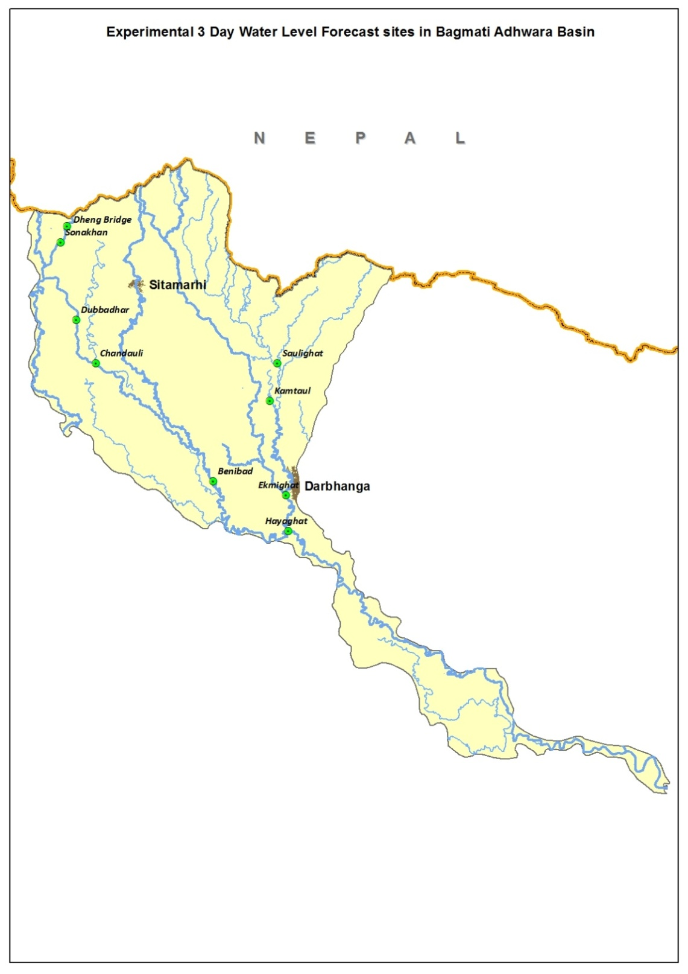

web-bulletin
WRD,GoB | GAUGE FORECAST IN BAGMATI-ADHWARA RIVER BASIN
 |  |  |  |  |  | Date of Forecast | 31.10.2019

Station / River | District | Warning Level (WL) | Danger Level (DL) | Highest Flood Level (HFL)/Year | Observed Water Level | Day 1 Forecast | Day 2 Forecast | Day 3 Forecast
Dheng Bridge/ BAGMATI | Sitamarhi | 69.10 | 70.10 | 73.00/2019 | 69.08 | 69.08 | 69.08 | 69.08
Sonakhan/ BAGMATI | Sitamarhi | 67.80 | 68.80 | 72.05/2019 | 67.58 | 67.58 | 67.58 | 67.58
Dubbadhar/ BAGMATI | Sitamarhi | 60.28 | 61.28 | 63.75 | 60.12 | 60.11 | 60.11 | 60.11
Chandauli/Kansar/ BAGMATI | Sitamarhi | 58.06 | 59.06 | 60.86 | 55.70 | 55.67 | 55.66 | 55.65
Runisaidpur/BAGMATI | Sitamarhi | 52.73 | 53.73 | 58.15/2017 | 52.70 | 52.70 | 52.72 | 52.75
Saulighat/ DHAUS | Madhubani | 51.00 | 52.00 | 55.10 | 47.57 | 47.54 | 47.53 | 47.51
Kamtaul/ KHIROI_RIVER | Darbhanga | 49.00 | 50.00 | 53.01/2004 | 47.02 | 47.00 | 46.98 | 46.96
Benibad/ BAGMATI | Muzaffarpur | 47.68 | 48.68 | 50.01/2004 | 46.69 | 46.62 | 46.52 | 46.47
Ekmighat/ DARBHANGA_BAGMATI | Darbhanga | 45.94 | 46.94 | 49.52/2004 | 41.89 | 41.85 | 41.81 | 41.77
Hayaghat/ BAGMATI | Darbhanga | 44.72 | 45.72 | 48.96/1987 | 40.69 | 40.63 | 40.50 | 40.37
All Water Levels are in metres.
Legend:
Normal : when river water level is below WL
Low Flood : when river water level is at or above WL but below DL
A FMISC, Bihar product
based on Mike 11 Model
Moderate Flood : when river water level is at or above DL but below level which is 0.5 m below HFL
High Flood : when the river water level is within 0.5 m of HFL and below HFL.
Unprecedented Flood : when the river water level is at or above HFL
Disclaimer: Forecast is subject to uncertainty due to rainfall forecasts, model parameters, error in measurement and other unknown factors.

