Result
Observed and Forecast gauge for Bagmati-Adhwara Basin at various station |  |  |  |  |  |  |  |  |  |  |  |  |  | Diff. b/w forecast vs obs. |  |  |  |  |  |  |  | Forecast vs DL
Sl | Station / River | District | WL (m) | DL (m) |  | HFL (m) /Year | Observed WL (m) at (06:00 AM) | Forecast Gauge (m) |  |  |  |  |  |  |  |  |  |  |  |  | 2022-09-21
 |  |  |  |  | Highest Flood Level (HFL) |  |  | 2022-09-19 |  |  | 2022-09-20 |  |  |  | 2022-09-21 |  | 2022-09-22 |  | 2022-09-23 |  |  | 12:00:00 | 18:00:00 | 24:00:00 | 6:00:00 | 12:00:00 | 18:00:00 | 24:00:00 | 12:00:00 | 24:00:00 | Diff. b/w obs vs DL. | Day 1 | Day 2 | Day 3
1 |  |  |  |  |  |  | 2022-09-19 | 12:00:00 | 18:00:00 | 24:00:00 | 6:00:00 | 12:00:00 | 18:00:00 | 24:00:00 | 12:00:00 | 24:00:00 | 12:00:00 | 24:00:00 | 12:00:00 | 24:00:00 |  | 12:00:00 | 18:00:00 | 24:00:00 | 6:00:00 | 12:00:00 | 18:00:00 | 24:00:00 | 12:00:00 | 24:00:00 | Diff. b/w obs vs DL. | Day 1 | Day 2 | Day 3
2 | Sonakhan | 68.80 | 72.05/2019 | 68.40 | 68.20 | 68.04 | 68.07 |  |  |  |  |  |  |  |  |  |  |  |  |  |  | #REF! | #REF! | #REF! | #REF! | #REF! | #REF! | #REF! | #REF! | #REF! | #REF! | #REF! | #VALUE! | #REF!
3 | Dubbadhar | 61.28 | 63.75 | 60.10 | 59.90 | 59.72 | 59.66 |  |  |  |  |  |  |  |  |  |  |  |  |  |  | #REF! | #REF! | #REF! | #REF! | #REF! | #REF! | #REF! | #REF! | #REF! | #REF! | #REF! | #VALUE! | #REF!
4 | Kansar | 59.06 | 60.86 | 57.39 | 56.82 | 56.26 | 55.72 |  |  |  |  |  |  |  |  |  |  |  |  |  |  | #REF! | #REF! | #REF! | #REF! | #REF! | #REF! | #REF! | #REF! | #REF! | #REF! | #REF! | #VALUE! | #REF!
5 | Runisaidpur* | 55.00 | 58.15/2017 | 54.54 | 54.03 | 53.51 | 53.00 |  |  |  |  |  |  |  |  |  |  |  |  |  |  | #REF! | #REF! | #REF! | #REF! | #REF! | #REF! | #REF! | #REF! | #REF! | #REF! | #REF! | #VALUE! | #REF!
6 | Saulighat* | 52.32 | 55.10 | 48.93 | 49.04 | 49.04 | 49.01 |  |  |  |  |  |  |  |  |  |  |  |  |  |  | #REF! | #REF! | #REF! | #REF! | #REF! | #REF! | #REF! | #REF! | #REF! | #REF! | #REF! | #VALUE! | #REF!
7 | Kamtaul* | 50.00 | 52.99/2004 | 48.12 | 48.30 | 48.31 | 48.31 |  |  |  |  |  |  |  |  |  |  |  |  |  |  | #REF! | #REF! | #REF! | #REF! | #REF! | #REF! | #REF! | #REF! | #REF! | #REF! | #REF! | #VALUE! | #REF!
8 | Benibad* | 48.68 | 50.01/2004 | 49.49 | 49.12 | 48.74 | 48.18 |  |  |  |  |  |  |  |  |  |  |  |  |  |  | #REF! | #REF! | #REF! | #REF! | #REF! | #REF! | #REF! | #REF! | #REF! | #REF! | #REF! | #VALUE! | #REF!
9 | Ekmighat* | 46.94 | 49.52/2004 | 44.81 | 45.02 | 45.07 | 44.97 |  |  |  |  |  |  |  |  |  |  |  |  |  |  | #REF! | #REF! | #REF! | #REF! | #REF! | #REF! | #REF! | #REF! | #REF! | #REF! | #REF! | #VALUE! | #REF!
10 | Hayaghat* | 45.72 | 48.96/1987 | 43.74 | 44.02 | 44.01 | 43.75 |  |  |  |  |  |  |  |  |  |  |  |  |  |  | #REF! | #REF! | #REF! | #REF! | #REF! | #REF! | #REF! | #REF! | #REF! | #REF! | #REF! | #VALUE! | #REF!
Software used- MIKE11 |  |  |  |  |  |  |  |  |  |  |  |  |  |  |  |  |  |  |  |  |  | #REF! | #REF! | #REF! | #REF! | #REF! | #REF! | #REF! | #REF! | #REF! | #REF! | #VALUE! | #REF! | #REF!
Data Compiled by FMISC, WRD, Patna, Bihar-( http://fmis.bih.nic.in )
* Observed level have been taken from CWC site.
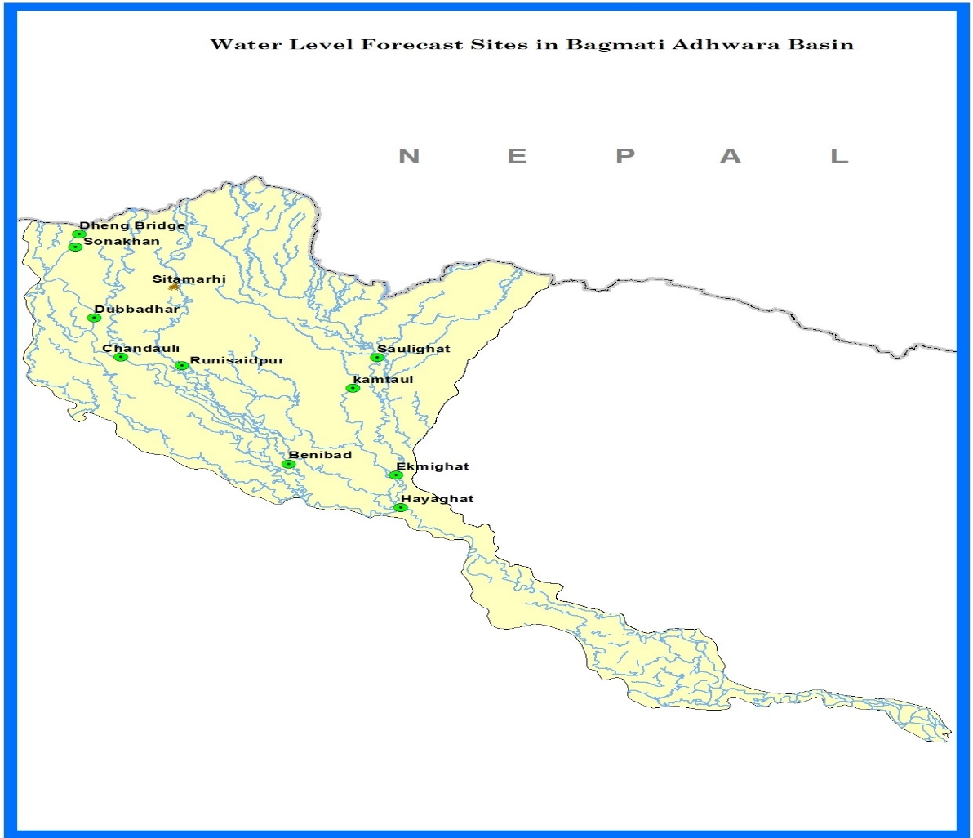

web-bulletin
A FMISC, Bihar product
based on Mike 11 Model
WRD,GoB | GAUGE FORECAST IN BAGMATI-ADHWARA RIVER BASIN
 | (Experimental Gauge forecast for 5 days based on 5 days rainfall forecast from IMD) Date of Forecast : 19.09.2022 Time of Model Run : 12:30 PM

Station / River | District | WL (m) | DL (m) | HFL (m) /Year | Observed WL (m) at (06:00 AM) | Forecast Gauge (m)
 |  |  |  |  |  | 2022-09-19 |  |  | 2022-09-20 |  |  |  | 2022-09-21 |  | 2022-09-22 |  | 2022-09-23
 |  |  |  |  | 2022-09-19 | 15:00:00 | 18:00:00 | 24.00 | 6.00 | 12.00 | 18.00 | 24.00 | 12.00 | 24.00 | 12.00 | 24.00 | 12.00 | 24.00
Dheng Bridge/ BAGMATI | Sitamarhi | 70.00 | 71.00 | 73.00/2019 | 70.14 | 70.08 | 70.06 | 70.02 | 69.97 | 69.93 | 69.89 | 69.86 | 69.84 | 69.86 | 69.89 | 69.91 | 69.96 | 70.01 | 0.17
Sonakhan/ BAGMATI ** | Sitamarhi | 67.80 | 68.80 | 72.05/2019 | 68.40 | 68.32 | 68.30 | 68.25 | 68.20 | 68.14 | 68.10 | 68.06 | 68.03 | 68.05 | 68.09 | 68.12 | 68.18 | 68.24 | 0.20
Dubbadhar/ BAGMATI ** | Sitamarhi | 60.28 | 61.28 | 63.75 | 60.10 | 60.02 | 60.00 | 59.94 | 59.90 | 59.85 | 59.81 | 59.76 | 59.69 | 59.66 | 59.66 | 59.69 | 59.71 | 59.76 | 0.20
Chandauli/Kansar/ BAGMATI ** | Sitamarhi | 58.06 | 59.06 | 60.86 | 57.39 | 57.20 | 57.13 | 56.97 | 56.82 | 56.67 | 56.53 | 56.40 | 56.13 | 55.84 | 55.63 | 55.54 | 55.51 | 55.52 | 0.57
Runisaidpur/BAGMATI | Sitamarhi | 54.00 | 55.00 | 58.15/2017 | 54.54 | 54.31 | 54.27 | 54.16 | 54.03 | 53.89 | 53.76 | 53.63 | 53.39 | 53.13 | 52.87 | 52.70 | 52.63 | 52.62 | 0.51
Saulighat/ DHAUS | Madhubani | 51.32 | 52.32 | 55.10 | 48.93 | 49.00 | 49.01 | 49.03 | 49.04 | 49.04 | 49.04 | 49.04 | 49.03 | 49.02 | 49.00 | 48.98 | 48.96 | 48.94 | -0.10
Kamtaul/ KHIROI_RIVER * | Darbhanga | 49.00 | 50.00 | 52.99/2004 | 48.12 | 48.27 | 48.28 | 48.29 | 48.30 | 48.30 | 48.31 | 48.31 | 48.31 | 48.31 | 48.31 | 48.30 | 48.28 | 48.27 | -0.18
Benibad/ BAGMATI * | Muzaffarpur | 47.68 | 48.68 | 50.01/2004 | 49.49 | 49.32 | 49.28 | 49.20 | 49.12 | 49.04 | 48.96 | 48.86 | 48.62 | 48.34 | 48.01 | 47.63 | 47.25 | 46.89 | 0.38
Ekmighat/ DARBHANGA_BAGMATI | Darbhanga | 45.94 | 46.94 | 49.52/2004 | 44.81 | 44.88 | 44.92 | 44.97 | 45.02 | 45.05 | 45.07 | 45.07 | 45.05 | 45.00 | 44.92 | 44.80 | 44.67 | 44.54 | -0.21
Hayaghat/ BAGMATI * | Darbhanga | 44.72 | 45.72 | 48.96/1987 | 43.74 | 43.87 | 43.91 | 43.98 | 44.02 | 44.04 | 44.05 | 44.04 | 43.97 | 43.85 | 43.62 | 43.31 | 42.95 | 42.58 | -0.28
All Water Levels are in metres.
 |  |  |  |  | Low Flood : Water level is at or above Warning Level but below Danger Level.
 |  |  |  |  | Normal Flood Situation : Water level is touching or exceeding the Warning Level but below Danger Level.
 |  |  |  |  | Severe Flood Situation: Water level is touching or exceeding the Danger Level but below Highest Flood Level (HFL)).
 |  |  |  |  | Extreme Flood Situation : Water Level is at previous Highest Flood Level (HFL) or exceeded.
 |  |  |  |  | Disclaimer: Forecast is subject to uncertainty due to rainfall forecasts, model parameters, error in measurement and other unknown factors.
 |  |  |  |  | Note : Based on Global Forecast System (GFS) model rainfall forecast for 5 days received from IMD, temporal resolution 24 hr and spatial resolution 25 km by 25 km. * Water Level from CWC. ** Water Level from WRD (Manual). Rest Watel Level from WRD - Real Time Data Acquisition System (RTDAS).

